3.6 Step 2 Film Table Numerical
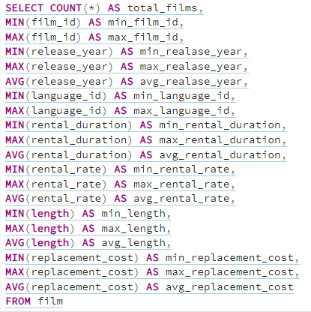
total_films | min_film_id | max_film_id | min_release_year | max_release_year | avg_release_year | min_language_id | max_language_id | avg_language_id | min_rental_duration | max_rental_duration | avg_rental_duration | min_rental_rate | max_rental_rate | avg_rental_rate | min_rental_length | max_rental_length | avg_rental_length | min_replacement_cost | max_replacement_cost | avg_replacement_cost
1000 | 1 | 1000 | 2006 | 2006 | 2006 | 1 | 1 | 1 | 3 | 7 | 4.985 | 0.99 | 4.99 | 2.98 | 46 | 185 | 115.272 | 9.99 | 29.99 | 19.984

3.7 Step 1
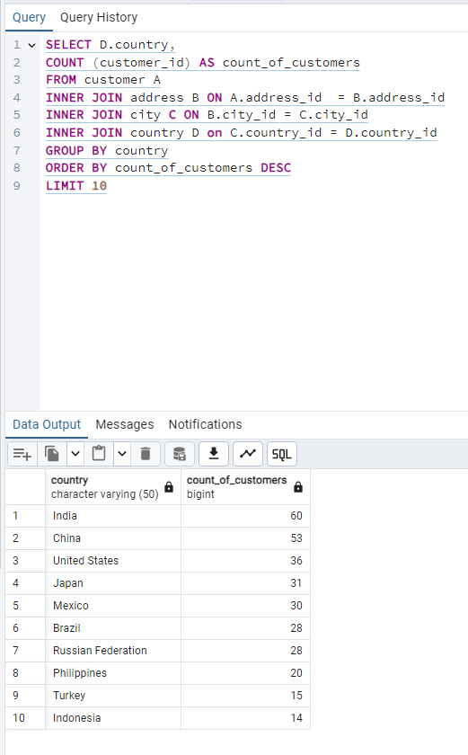
country | count_of_customers
India | 60
China | 53
United States | 36
Japan | 31
Mexico | 30
Brazil | 28
Russian Federation | 28
Philippines | 20
Turkey | 15
Indonesia | 14

3.7 Step 2
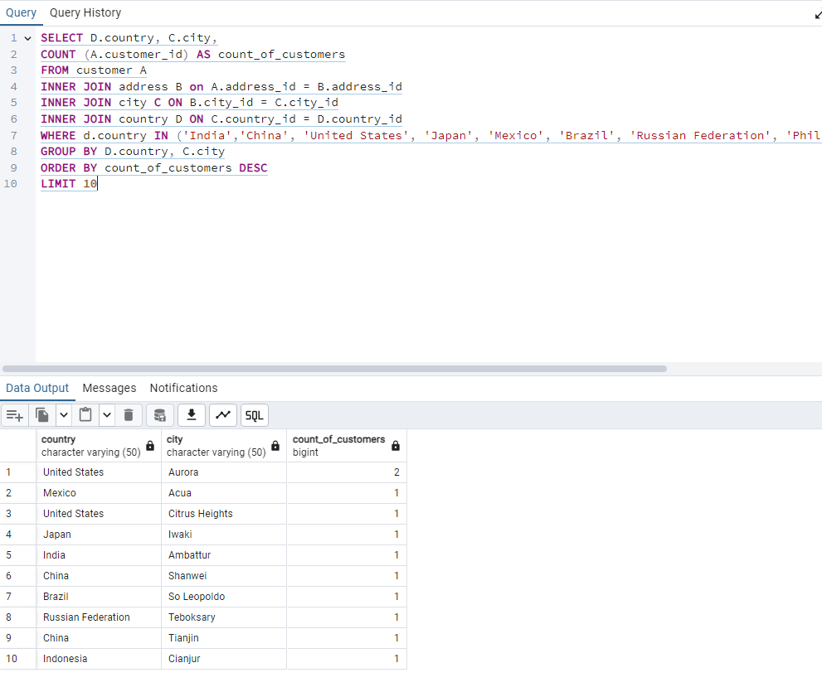
country | city | count_of_customers
United States | Aurora | 2
Mexico | Acua | 1
United States | Citrus Heights | 1
Japan | Iwaki | 1
India | Ambattur | 1
China | Shanwei | 1
Brazil | So Leopoldo | 1
Russian Federation | Teboksary | 1
China | Tianjin | 1
Indonesia | Cianjur | 1

3.7 Step 3
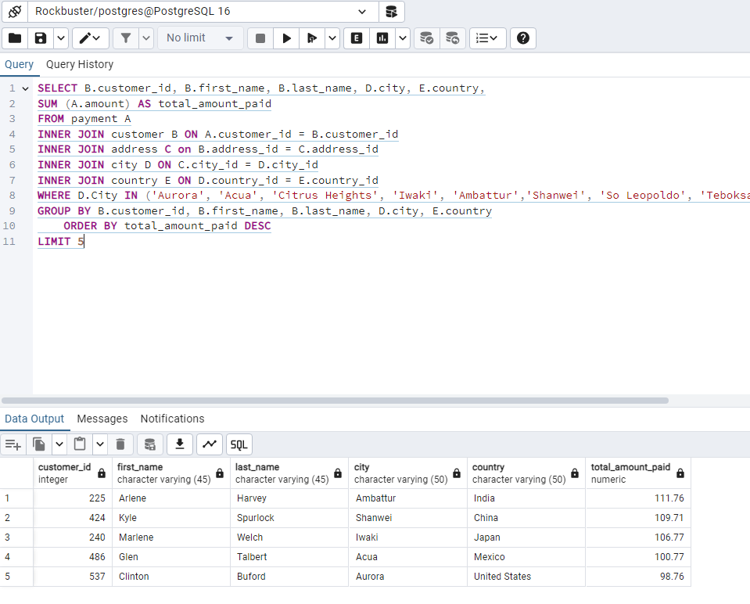
customer_id | first_name | city | country | total_amount_paid
225 | Arlene | Ambattur | India | 111.76
424 | Kyle | Shanwei | China | 109.71
240 | Marlene | Iwaki | Japan | 106.77
486 | Glen | Acua | Mexico | 100.77
537 | Clinton | Aurora | United States | 98.76

